current
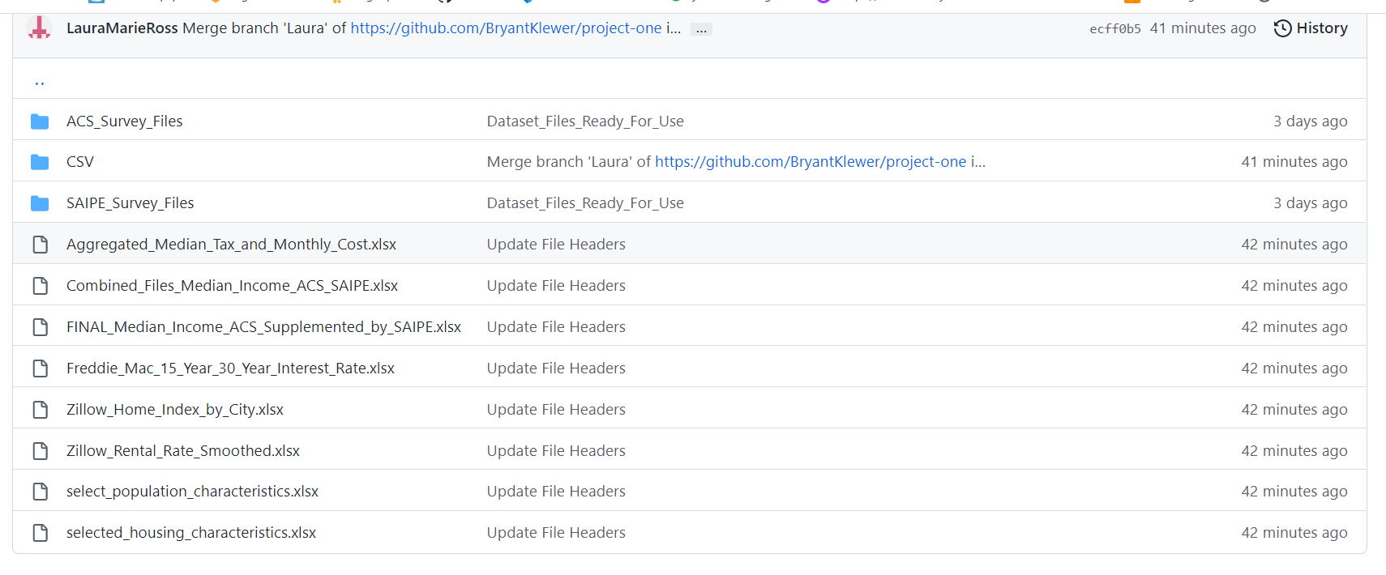

final
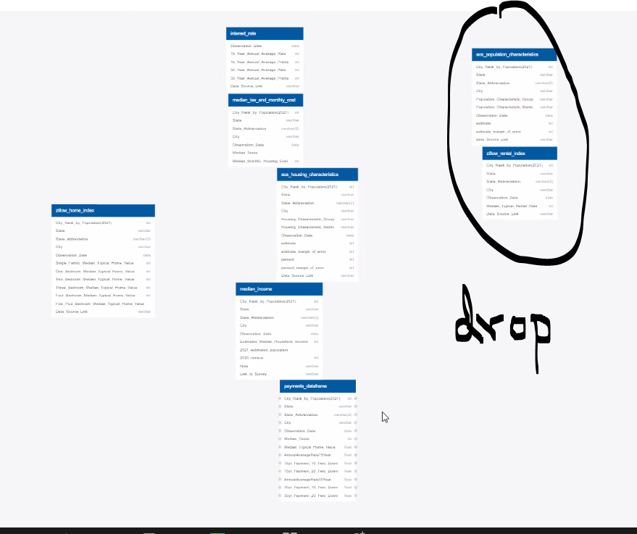
Combined_Files_Median_Income_ACS_SAIPE | x
FINAL_Median_Income_ACS_Supplemented_by_SAIPE
Freddie_Mac_15_Year_30_Year_Interest_Rate | x
select_population_characeteristics
selected_housing_characteristics | drop
Zillow_Home_Index_by_City | x
Zillow_Rental_Rate_Smoothed | x

aggregated median tax and housing cost | x

